工作表1
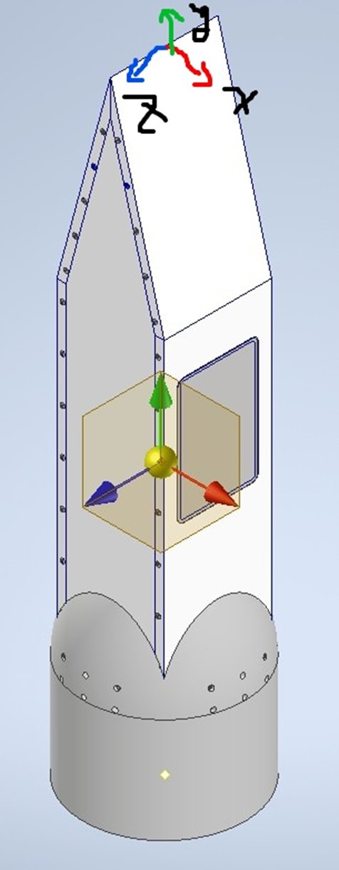
 | Payload | Control&Avionics | Recovery | N2O | Fuel | Tail
Mass (kg) | 15.58 | 0 | 0 | 0 | 0 | 0
CG x (mm) | -0.912 | 0 | 0 | 0 | 0 | 0
CG y (mm) | -543.08 | 0 | 0 | 0 | 0 | 0
CG z (mm) | 4.446 | 0 | 0 | 0 | 0 | 0
Ixx (kg mm^2) | 1176913 | 0 | 0 | 0 | 0 | 0
Ixy (kg mm^2) | -383.374 | 0 | 0 | 0 | 0 | 0
Ixz (kg mm^2) | -46.754 | 0 | 0 | 0 | 0 | 0
Iyy (kg mm^2) | 138861.1 | 0 | 0 | 0 | 0 | 0
Iyz (kg mm^2) | -6918.36 | 0 | 0 | 0 | 0 | 0
Izz (kg mm^2) | 1160217 | 0 | 0 | 0 | 0 | 0

